Motor Control Steering Mockup
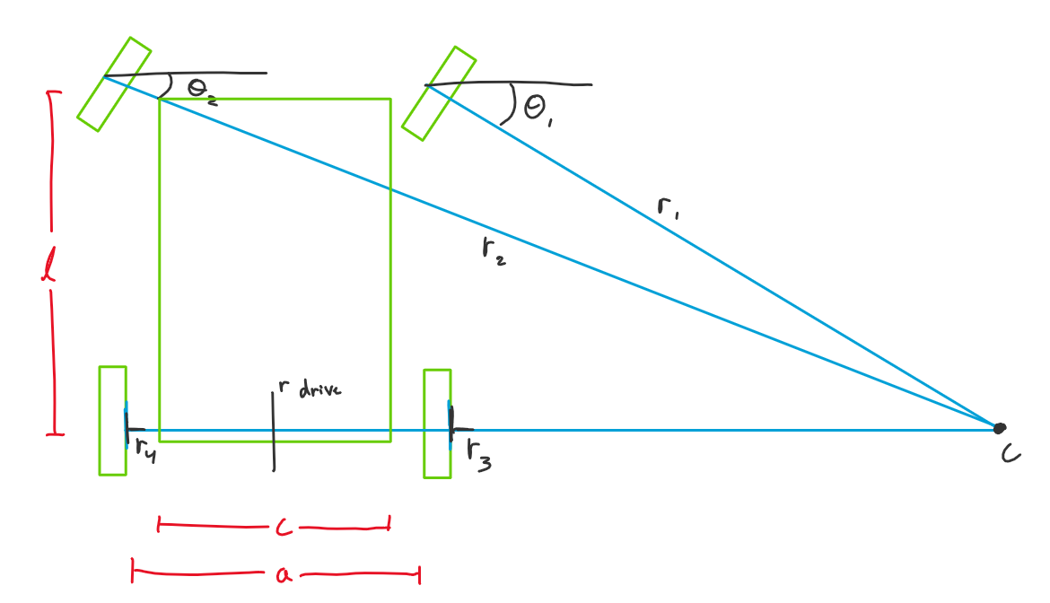
 | Reference Image |  |  |  |  |  |  |  |  |  |  | Table 1: Constants |  |  | Table 4: Calculated Turn Angles
 |  |  |  |  |  |  |  |  |  |  |  | Vehicle Width (c) | 1 |  | Front Right Wheel Turn Angle (theta 1) (radians) | 0.58800260355
 |  |  |  |  |  |  |  |  |  |  |  | Wheel-to-wheel Width (a) | 1.2 |  | Front Left Wheel Turn Angle (theta 2) (radians) | 0.38050637711
 |  |  |  |  |  |  |  |  |  |  |  | Vehicle Length (l) | 1 |  | Turn Direction
 |  |  |  |  |  |  |  |  |  |  |  | Wheel Inertia | 4

 |  |  |  |  |  |  |  |  |  |  |  | Table 2: Inputs |  |  | Table 5: Right Turn Calculated Wheel Radii (with respect to C) |  | Table 7: Left Turn Calculated Wheel Radii (with respect to C)
 |  |  |  |  |  |  |  |  |  |  |  | Angular Velocity (radians/second) | 10 |  | Front Right Wheel Radius | 1.7027756377 | Front Right Wheel Radius | 2.7925824036
 |  |  |  |  |  |  |  |  |  |  |  | X-Displacement | 4 |  | Front Left Wheel Radius | 2.7925824036 | Front Left Wheel Radius | 1.7027756377
 |  |  |  |  |  |  |  |  |  |  |  | Y-Displacement | 8.732 |  | Back Right Wheel Radius | 1.4 | Back Right Wheel Radius | 2.6
 |  |  |  |  |  |  |  |  |  |  |  |  |  |  | Back Left Wheel Radius | 2.6 | Back Left Wheel Radius | 1.4

 |  |  |  |  |  |  |  |  |  |  |  | Table 3: Driving Radius Lookup (from displacement) |  |  | Table 6: Right Turn Demanded Motor Torque |  | Table 8: Left Turn Demanded Motor Torque
 |  |  |  |  |  |  |  |  |  |  |  | Driving Radius (r drive) | 2 |  | Front Right Wheel Torque | 681.11025509 | Front Right Wheel Torque | 1117.0329614
 |  |  |  |  |  |  |  |  |  |  |  |  |  |  | Front Left Wheel Torque | 1117.0329614 | Front Left Wheel Torque | 681.11025509
 |  |  |  |  |  |  |  |  |  |  |  |  |  |  | Back Right Wheel Torque | 560 | Back Right Wheel Torque | 1040
 |  |  |  |  |  |  |  |  |  |  |  |  |  |  | Back Left Wheel Torque | 1040 | Back Left Wheel Torque | 560

 | Mockup Cell Track |  |  |  |  |  |  |  |  |  |  | Table 9: Reference Values |  |  | Table 10: List of All Displacement Values
 |  |  |  |  |  |  |  |  |  |  |  | X-Displacement | Y-Displacement | Driving Radius | X-Displacement | Y-Displacement
 |  |  |  |  |  |  |  |  |  |  |  | 1 | 5 |  | 1 | 1
 |  |  |  |  |  |  |  |  |  |  |  | 1 | 4 |  | 2 | 2
 |  |  |  |  |  |  |  |  |  |  |  | 1 | 3 |  | 3 | 3
 |  |  |  |  |  |  |  |  |  |  |  | 1 | 2 | 1 | 4 | 4
 |  |  |  |  |  |  |  |  |  |  |  | 2 | 1 | 1 | 5 | 5
Y |  |  |  |  |  |  |  |  |  |  |  | 3 | 2 | 1 | 6 | 6
15 |  |  |  |  |  |  |  |  |  |  |  | 3 | 3 |  | 7 | 7
14 |  |  |  |  |  |  |  |  |  |  |  | 3 | 4 |  | 8 | 8
13 |  |  | . |  |  |  |  |  |  |  |  | 3 | 5 |  | 9 | 8.732
12 |  |  |  |  |  |  | . |  |  |  |  | 3 | 6 |  | 10 | 9
11 |  |  |  |  |  |  |  |  |  |  |  | 3 | 7 | 2 |  | 9.172
10 |  |  |  |  |  |  |  |  |  |  |  | 4 | 8.732 | 2 |  | 9.764
9 |  |  |  |  |  |  |  |  |  |  |  | 5 | 9 | 2 |  | 10
8 |  |  |  |  |  |  |  |  |  |  |  | 6 | 9 |  |  | 11
7 |  |  |  |  | . |  |  |  |  |  |  | 7 | 9 | 3 |  | 12
6 |  |  |  |  |  |  |  |  |  |  |  | 8 | 9.172 | 3 |  | 13
5 |  |  |  |  |  |  |  |  |  |  |  | 9 | 9.764 | 3 |  | 14
4 |  |  |  |  |  |  |  |  |  |  |  | 10 | 12 | 3 |  | 14.236
3 |  |  |  |  |  |  |  |  |  |  |  | 9 | 14.236 | 3 |  | 14.732
2 |  | . |  |  |  |  |  |  |  |  |  | 8 | 14.828 | 3 |  | 14.828
1 |  |  |  |  |  |  |  |  |  |  |  | 7 | 15 | 3 |  | 15
 | 1 | 2 | 3 | 4 | 5 | 6 | 7 | 8 | 9 | 10 | X | 6 | 15
 |  |  |  |  |  |  |  |  |  |  |  | 5 | 15
 |  |  |  |  |  |  |  |  |  |  |  | 4 | 15
 |  |  |  |  |  |  |  |  |  |  |  | 3 | 15 | 2
 |  |  |  |  |  |  |  |  |  |  |  | 2 | 14.732 | 2
 |  |  |  |  |  |  |  |  |  |  |  | 1 | 13 | 2
 |  |  |  |  |  |  |  |  |  |  |  | 1 | 12
 |  |  |  |  |  |  |  |  |  |  |  | 1 | 11
 |  |  |  |  |  |  |  |  |  |  |  | 1 | 10
 |  |  |  |  |  |  |  |  |  |  |  | 1 | 9
 |  |  |  |  |  |  |  |  |  |  |  | 1 | 8
 |  |  |  |  |  |  |  |  |  |  |  | 1 | 7
 |  |  |  |  |  |  |  |  |  |  |  | 1 | 6

